Community-Based Coverage Areas
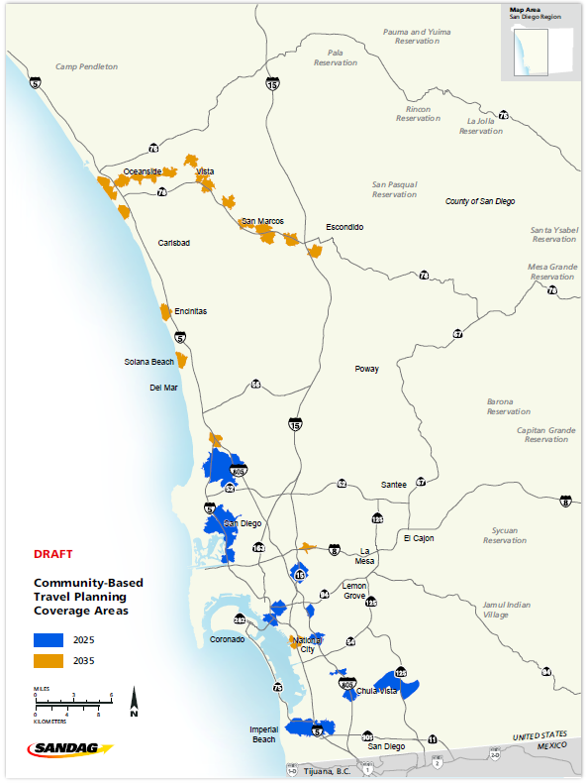
Name | OppArea | ShedType | yr | total_population | household_population | total_households | total_housing_units | total_emp
Mid-Coast | Mid-Coast | Drive | 2025 | 93008 | 87504 | 35479 | 37460 | 78913
Barrio Logan Transit Station | Other | Bike | 2025 | 6008 | 5930 | 1849 | 2048 | 5890
City Heights Mid-City Centerline | Other | Bike | 2025 | 32715 | 32478 | 11389 | 11991 | 4625
Iris Trolley - Coronado Ave | Other | Bike | 2025 | 46304 | 46240 | 14654 | 15512 | 7477
South Bay Rapid | South Bay Rapid | Bike | 2025 | 82930 | 82328 | 25288 | 26615 | 12900
Total |  |  |  | 260965 | 254480 | 88659 | 93626 | 109805

Coastal Rail Trail | Coastal Rail Trail | Bike | 2035 | 15346 | 14981 | 6391 | 7185 | 22949
Inland Rail Trail | Inland Rail Trail | Bike | 2035 | 67365 | 65579 | 23318 | 25730 | 49941
8th Street Station | Other | Bike | 2035 | 11107 | 6120 | 1921 | 2177 | 11659
Grantville Trolley Station | Other | Bike | 2035 | 14530 | 14530 | 5409 | 6472 | 4281
Total |  |  |  | 108348 | 101210 | 37039 | 41564 | 88830

Source: SANDAG Preliminary Draft Series 14 Regional Growth Forecast (14.1.1)
Prepared on: August 2, 2018
NOTE: These data represent a first preliminary draft and should only be used for information purposes.

